Instructions


 |  |  | Excel Skills for Data Analytics and Visualization
 |  |  | Course 2 — Data Visualization in Excel

 |  |  | Week 4 Practice Challenge

Instructions
In this challenge you will get the opportunity to practise working with PivotTables. All the data is in the Data sheet. It details properties sold at auction for 2017 and 2018 in Melbourne, Australia. (This is example data only.) We need to create a series of visualisations that will be used in constructing an interactive dashboard for exploring the Melbourne property market. Where you are asked a question, type the answer in the grey box provided and if it is correct you will get a green tick to let you know you are on the right track. Samples of the completed outcomes are provided.

Step | Instruction |  |  |  | Answer
1) | Make life easy. Click in the data in the Data sheet and convert it to a table. Rename the table Sales.

2) | We need a chart that shows the trends for House and Unit sales over the last year, follow these steps to get there:
a) | Use the data in Sales to create a PivotTable in a new sheet. Rename the sheet to Melbourne Trends and the PivotTable to pvtTrends.
b) | Add Price to Values, Month to Row and Type to Column. What was the total value of house sales for October? |  |  |  |  | 0
c) | Change the calculation to an Average and change the Number Format to Currency with zero decimal places.
 | What was the average unit price in May (as shown with no decimals - do not copy paste). |  |  |  |  | 0
d) | Currently we are seeing sales for 2017 and 2018. Drag Year to the Filter section and then filter to only show 2018.
 | What was the average unit price in Jan 2018 (as shown with no decimals - do not copy paste). |  |  |  |  | 0
e) | Insert a 2D Line PivotChart for this PivotTable. Turn off gridlines, legend and Field Buttons. Change the vertical axis units to Thousands.
 | Select a line series and in the format panel go to Line options and tick the Smoothed Line checkbox (right at the bottom).
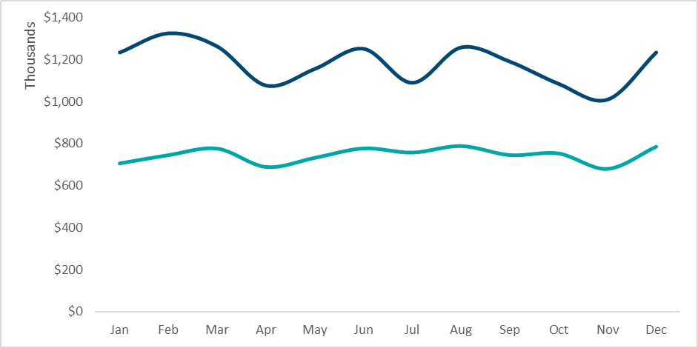 |  |  | 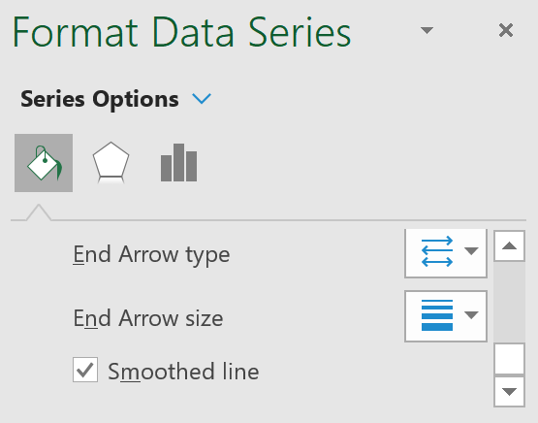
3a) | In the Suburb Price sheet create a new PivotTable (using the data from the Sales table) to show Average sales price by Suburb. Rename it pvtSuburb.
b) | Add filters for Year, Month and CouncilArea and then filter to show Average sales for Banyule for 2018 for Jan, Feb and March (multiple items).
 | What were the Average sales for Bellfield for this time frame? |  |  |  |  | 0
b) | Sort the Pivot by Average Price from largest to smallest. What was the highest average price. |  |  |  |  | 0
c) | Insert a 2D Column PivotChart for this PivotTable. Turn off gridlines, legend, chart title and Field Buttons. Change the vertical axis units to Millions.
 | 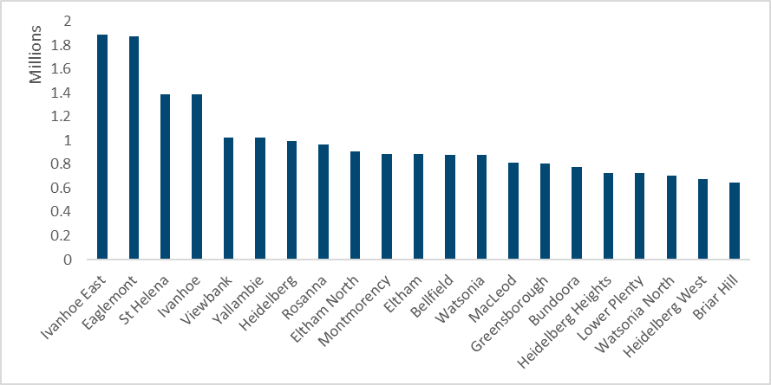
4a) | In the Top Suburbs sheet, create a PivotTable that shows the highest and lowest Price for each Suburb. Name it pvtTopSuburbs.
 | (Hint: Add price to Values twice then change the calculations to MAX and MIN.)
 | What was the Lowest price for Abbotsford? |  |  |  |  | 0
b) | Add filters for Type and CouncilArea and then filter to show only Houses for Bayside. Sort by Max Price (highest to lowest).
 | What was the Highest price paid for a house in Bayside? |  |  |  |  | 0
c) | Filter by Value to show only the top 8 by Max Price.
d) | Turn off Grand Totals. Apply the style Light Blue Pivot Style Medium 9 and turn on banded rows (tick the checkbox).
 | Adjust the column and row heights to be a bit wider. Go to PivotTable Options and untick Autofit column widths on update. Finish off so it looks like this:
 |  |  |  | 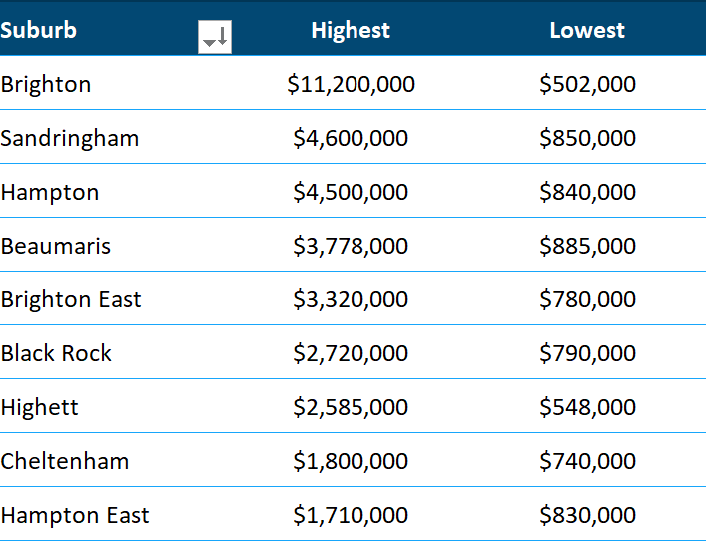
5) | Our last PivotChart is going to be a simple gauge chart that shows clearance rates. For this we will need a Calculated Item, but if we use a shared cache we won't be permitted to do this because we have already used Average calculations. We will need to create this Pivot with it's own cache.
a) | Click in the Sales table and use the keyboard shortcut ALT + D + P, then click Next. In the box where it asks for Range, type Sales and click Next. A message pops up encouraging you to use a shared cache, click No. You will then be asked where you want to put the Pivot, select A3 in the Clearance Rate sheet.
b) | Add Clearance to the Row area and Price to the Value area. Change the calculation for Price to COUNT.
 | What was the total number of properties that were NOT cleared at auction? |  |  |  |  | 0
c) | Change the calculation to % of Grand Total and change the number format to show one decimal place.
 | What percentage of properties cleared at auction (as shown, do not copy paste)? |  |  |  |  | 0
d) | To create our gauge we will show these two values as half the pie, so we need another row for the other (invisible) half of the pie. Click on a row label,
 | go to Fields, Items and Sets and select Calculated Item. Next to Name type Base, in Formula add Cleared + Not.
 |  | 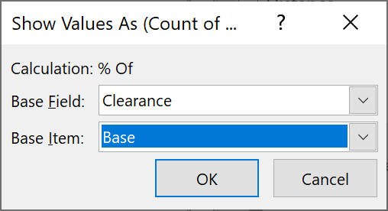 |  | 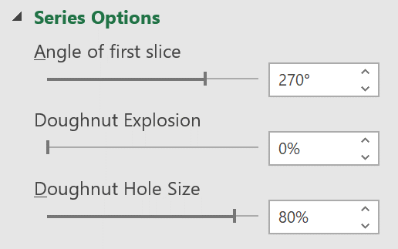
e) | This has thrown out our percentages, but we can fix this, go back to Show vales as and select % of… Set Base Field to Clearance and Base Item to Base. Click Okay.
f) | Insert a Donut Pivot Chart for this Pivot Table. Turn off chart title, legend and Field Buttons. Change the angle of first slice to 270 and Hole size to 80.
 | Set line to No Line and set the fill for the Base segment to No fill. Your Chart should look something like this:

